netflix_revenue_updated
year | Quarter | Date | Global Revenue
1 | 1 | 31-03-2019 | 4520992000
1 | 2 | 30-06-2019 | 4923116000
1 | 3 | 30-09-2019 | 5244905000
1 | 4 | 31-12-2019 | 5467434000
2 | 1 | 31-03-2020 | 5767691000
2 | 2 | 30-06-2020 | 6148286000
2 | 3 | 30-09-2020 | 6435637000
2 | 4 | 31-12-2020 | 6644442000
3 | 1 | 31-03-2021 | 7163282000
3 | 2 | 30-06-2021 | 7341777000
3 | 3 | 30-09-2021 | 7483467000
3 | 4 | 31-12-2021 | 7709318000
4 | 1 | 31-03-2022 | 7867767000
4 | 2 | 30-06-2022 | 7970141000
4 | 3 | 30-09-2022 | 7925589000
4 | 4 | 31-12-2022 | 7852053000
5 | 1 | 31-03-2023 | 8161503000

 |  | Method 1 to find seasonal indices

 |  |  |  | 2019 | 2020 | 2021 | 2022 |  |  |  | Year ->
 |  |  | Year -> | 1 | 2 | 3 | 4 |  |  |  | 1 | 2 | 3 | 4 | Seasonal Indices by Quarter
 |  | Quarter | 1 | 4520992000 | 5767691000 | 7163282000 | 7867767000 |  | Quarter | 1 | 0.89718034136 | 0.92297616872 | 0.96482182343 | 1.035153195 | 1 | 96%
 |  |  | 2 | 4923116000 | 6148286000 | 7341777000 | 7341777000 |  |  | 2 | 0.97698091335 | 0.98388097706 | 0.9888632993 | 0.96594928632 | 2 | 98%
 |  |  | 3 | 5244905000 | 6435637000 | 7483467000 | 7483467000 |  |  | 3 | 1.0408391915 | 1.0298643914 | 1.007947513 | 0.98459127917 | 3 | 102%
 |  |  | 4 | 5467434000 | 6644442000 | 7709318000 | 7709318000 |  |  | 4 | 1.0849995537 | 1.0632784628 | 1.0383673643 | 1.0143062395 | 4 | 105%
 |  |  |  | 5039111750 | 6249014000 | 7424461000 | 7600582250
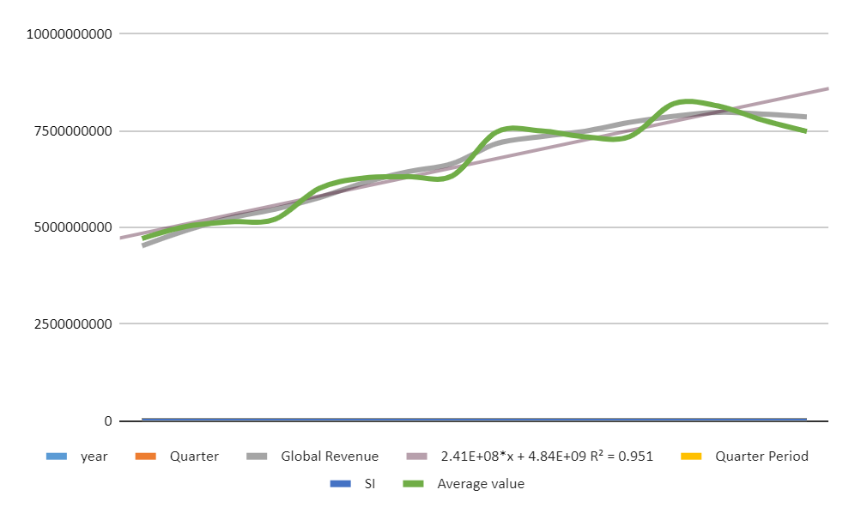
year | Quarter | Global Revenue | Quarter Period | SI | Average value
1 | 1 | 4520992000 | 1 | 96% | 4709366666.7
1 | 2 | 4923116000 | 2 | 98% | 5023587755.1
1 | 3 | 5244905000 | 3 | 102% | 5142063725.5
1 | 4 | 5467434000 | 4 | 105% | 5207080000
2 | 1 | 5767691000 | 5 | 96% | 6008011458.3
2 | 2 | 6148286000 | 6 | 98% | 6273761224.5
2 | 3 | 6435637000 | 7 | 102% | 6309448039.2
2 | 4 | 6644442000 | 8 | 105% | 6328040000
3 | 1 | 7163282000 | 9 | 96% | 7461752083.3
3 | 2 | 7341777000 | 10 | 98% | 7491609183.7
3 | 3 | 7483467000 | 11 | 102% | 7336732352.9
3 | 4 | 7709318000 | 12 | 105% | 7342207619
4 | 1 | 7867767000 | 13 | 96% | 8195590625
4 | 2 | 7970141000 | 14 | 98% | 8132796938.8
4 | 3 | 7925589000 | 15 | 102% | 7770185294.1
4 | 4 | 7852053000 | 16 | 105% | 7478145714.3
 |  | 9728557614.9 | 17 |  |  |  | Point 1 | 1 | 4709366666.7
 |  | 10140912922 | 18 |  |  |  | Point 5 | 5 | 6008011458.3
 |  | 10772503503 | 19
 |  | 11097164701 | 20 |  |  |  |  | m | 324661197.92
 |  | 11027202407 | 21 |  |  |  |  | c | 4384705469.1
 |  | 11439557714 | 22
 |  | 11939607131 | 23
 |  | 12395809493 | 24

 |  |  |  |  | predicted year is 2023 &2024(17 to24)

